Mens
Description | Description 2 | Barcode | Units Available | Case Size | Total Cases

Men's Spellbound (M&S) Socks size 7.5/10 | Case mix 50/50 Black/White | n/a | 76000 | 168 | 452
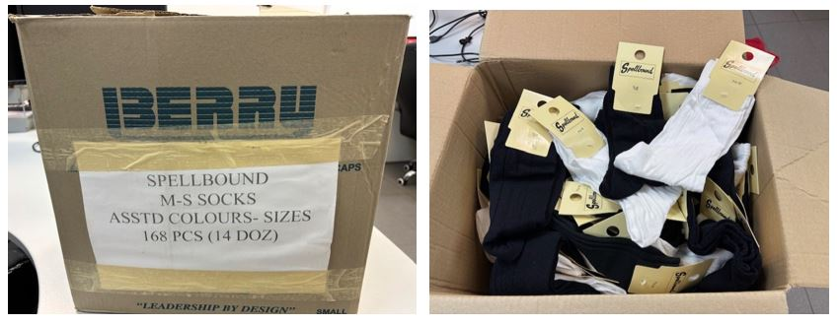

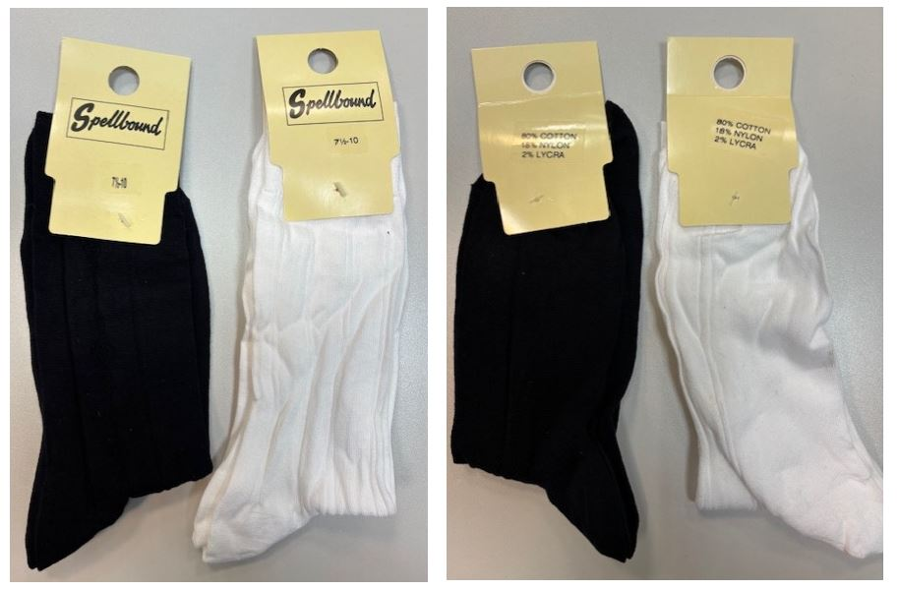

ladies
Description | Barcode | Units Available | Case Size | Total Cases

Ladies (M&S) Spellbound Socks repacked assorted cases | n/a | 37000 | 288 | 128
